March 2023
CSR Newsletter | March 2023

Planning:
Teksten af | 2023-03-03
Nieuwsbrief 1e versie af | 2023-03-06
Bespreken met CSR ambasadors | week 10
Correctieronde | 2023-03-09
Uitsturen nieuwsbrief | 2023-03-16

INTRO
Tekst | Dear colleague, Herewith you receive the first renewed IMPACT25 newsletter. We have been on a sustainability journey togehter as Dutch Flower Group companies for over a decade and many colleagues are working on different projects. With this newsletter we want to inform and update you as a stakeholder about sustainability projects within our companies and inspire you. Feel free to forward the newsletter to other collegues within your company. If you have any input for this newsletter, please let me know. Colourful regards, Raimon Loman CSR Manager Dutch Flower Group | 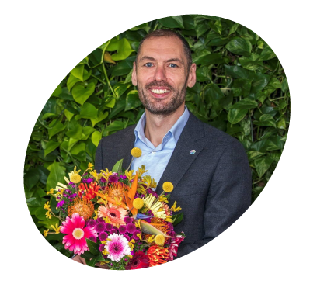 FOTO RAIMON

FOR A TRANSPARENT FLORAL CHAIN
Blok 1
Titel | FSI-SSS RESULT 2022
Tekst (maximaal 40 woorden) | Buying certified product, according to the FSI Basket of Standards, is the basis for our sustainable sourcing and is measured monthly via the FSI Sustainable Sourcing Scan. Our group result for 2022 is increased to 72%. During the upcoming quaterly director meetings the companies will get more detailed insights. | 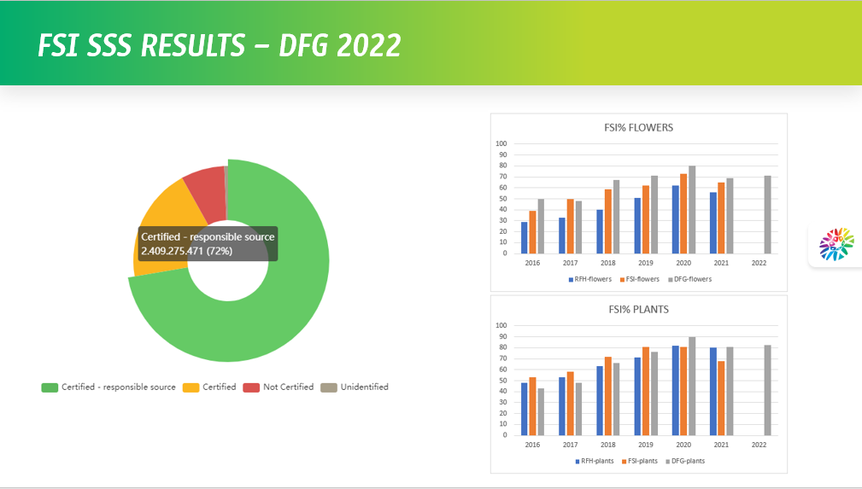 Hier afbeelding plaatsen

Afbeelding (naam/link) | https://dfgretail.sharepoint.com/:p:/s/dfg-csr/ERY2FJJuxYFJokAtPjsTBUsB2Px70Px1WkBd5OjU2b2FSQ?e=MsMmvc
Button tekst | Click here for more information FSI
Bijlage | www.fsi2025.com

Blok 2
Titel | Green Heroes @Hamiplant
Tekst (maximaal 40 woorden) | Our Green Heroes program is created to embed sustainability more in the entire organisation, and not just with the CSR Manager from the companies. Hamiplant introduced the first Green Heroes. Do you want to know how they and this interview shows how they did this nd which added value the Green Heroes have to the company. | FOTO VAN LISA & RENS (nog te maken)

Afbeelding (naam/link)
Button tekst | Click here for interview Hamiplant (GvL maakt interview vragen)
Bijlage | Bestand met interview HP

FOR THE PEOPLE IN OUR CHAIN

Blok 1
Titel | Honey Highway and DFG plant 65 trees
Tekst (maximaal 40 woorden) | With the help from many DFG colleagues, and under the guidance of Deborah Post from Honey Highway, 65 apple and pear trees have been planted near our DFG companies in Aalsmeer. These trees play a role in improving biodiversity and provide food and shelter for insects and birds. Our colleague Kumar, from OZ Planten, made a short video of the day. | FOTOS BOMENPLANTEN LINKEDIN

Afbeelding (naam/link) | Screenshot video of collage van foto's, zie bijlage
Button tekst | Watch the video
Bijlage | https://we.tl/t-B1GgbYJsqN
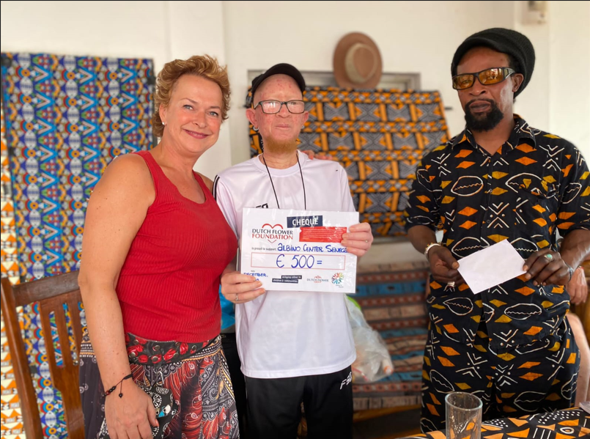
Blok 2
Titel | Dutch Flower Foundation: project in the spotlight
Tekst (maximaal 40 woorden) | People with albinism in Senegal are facing grave and even life threatening discrimination. Gerda Stokhof (DFG) recently visited Bamba, head of the albino centre in Senegal. On behalf of our Dutch Flower Foundation Gerda handed over a cheque to Bamba in order to support his good work for the albino community in Senegal. We hope this message contributes to more awareness regarding the situation of people with albinism. | FOTO VAN DFF PLAATSEN

Afbeelding (naam/link)
Button tekst | More information on DFF
Bijlage/link | www.dutchflowerfoundation.com

FOR OUR PLANET

Blok 1
Titel | Zero waste in 2025
Tekst (maximaal 40 woorden) | One of our targets is to have zero waste in 2025. As DFG companies we are working together to achieve 100% recycled or reused "waste", and formed a working group under the guidance of Jose van der Klauw (CSR Manager Van Dijk Flora). The group is working together wth Circulair Plastic Alliance member Horizonteer on a projectplan to improve our waste sepration, since this is the basis for better recycling/reusing. The project started with Coloríginz and The Floral Connection and you can read more about this in the project plan. | FOTOS WASTE PROJECT LINKEDIN

Afbeelding (naam/link)
Button tekst | Read the project plan
Bijlage | https://dfgretail.sharepoint.com/:w:/s/dfg-csr/EYmu6kfje1ZDr5XnUKPqqRIBxN-WWonN_RWJCtMfyj8jLQ?e=G4s0MF

Blok 2
Titel
Tekst (maximaal 40 woorden) | In deze editie geen blok 2. | Hier afbeelding plaatsen

Afbeelding (naam/link)
Button tekst
Bijlage

UPCOMING EVENTS

Datum | 2023-03-23
Event naam + korte uitleg | Connecting CSR, HR, Marketing @ World Horti Centre Honselersdijk. Our CSR, HR and Marketing collegues will share their progress on connecting our colleagues, and will be inspired by an external speaker.

Datum | March/April
Event naam + korte uitleg | Quaterly CSR meeting with the directors from the DFG companies, including an update of our 2023 program. Marcel and Raimon will present insights into our 2022 CSR results, to our directors.

Datum | 2023-04-13
Event naam + korte uitleg | The CSR Ambassadors will get informed on our CO2 project where we measure the CO2 footprint of our project, via a demo of Ecochain Mobius by Iris the Waal. Also an update of our CBTi proces will be given by Climate Neutral Group.

Datum | 18-22 September 2023
Event naam + korte uitleg | DFG Sustainability Week After a successful DFG wide Sustainabilityweek in 2022 we will do this again in 2023. All DFG companies are participating and already in the process of creating plans for this week.

NEXT ISSUE

For a transparent floral chain | Update on our CSRD project

For the people in our chain | Update on our Due Diligence project

For our planet | Update on our CO2 2022 results

